Module 8
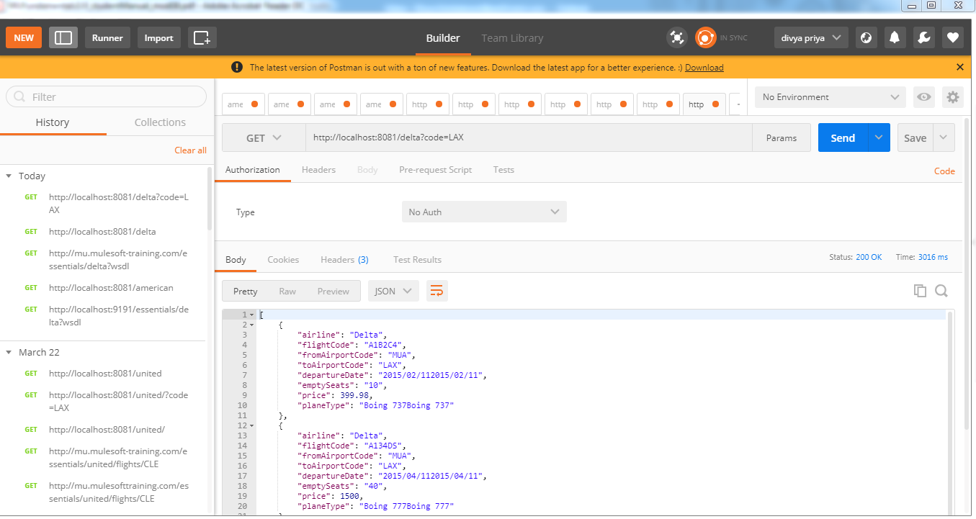
 | Consuming RESTful webservice that has a RAML definition

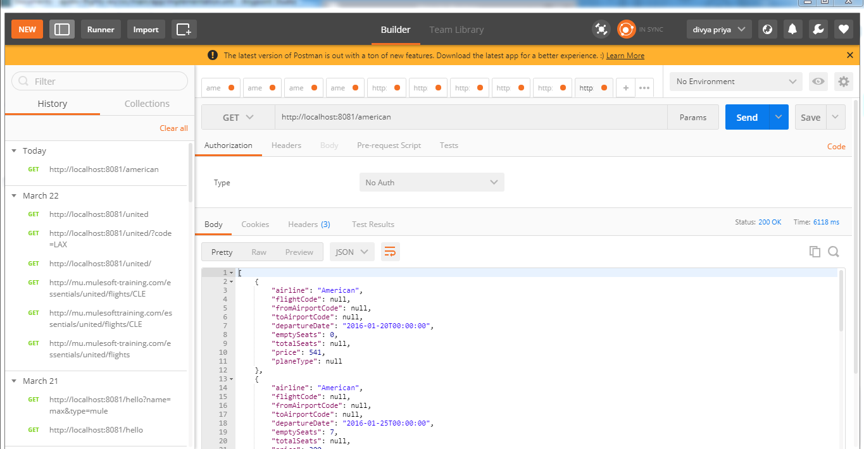

 | Passing argument to SOAP web service using DataWeave

Examining the exception message and figuring out the wrong in transformation

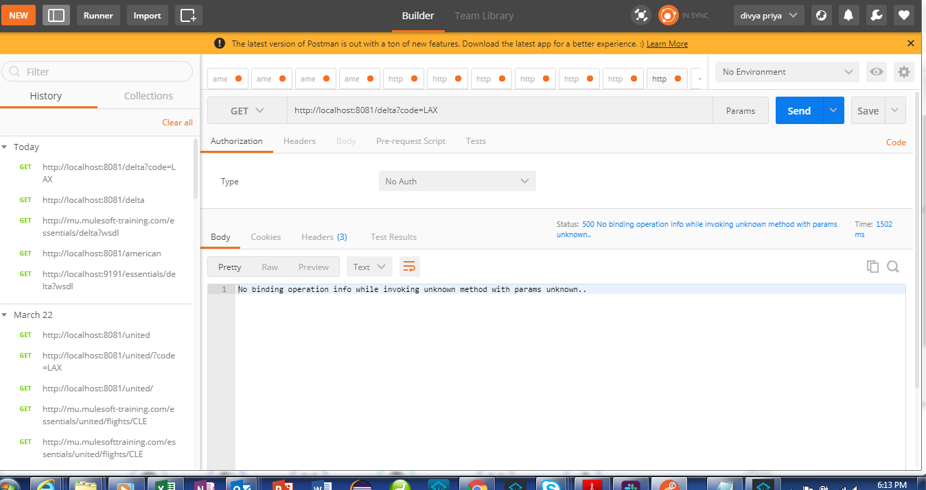

 |  | Modified DataWeave Expression

Module 9
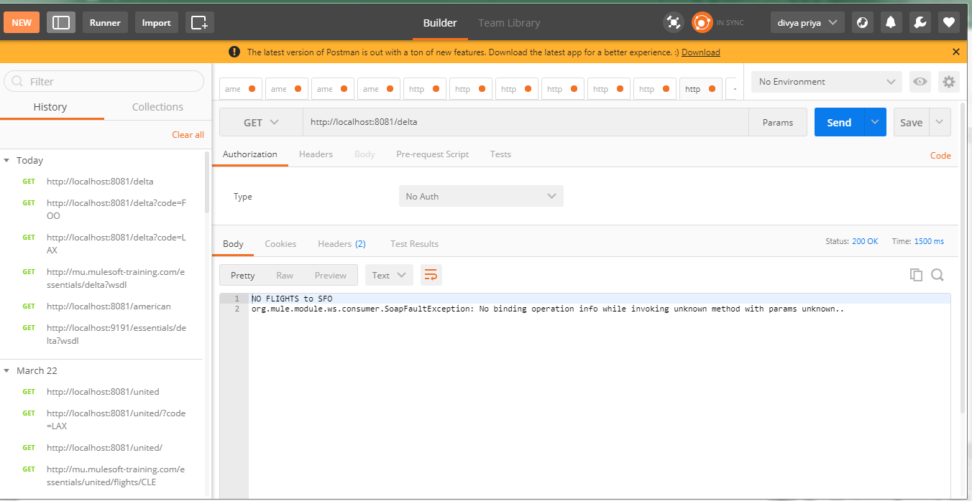
Handling a message exception

